Part 2-Lemonade Stand
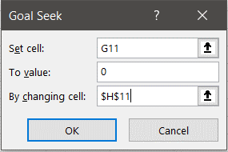
price | $2.50
demand | 42500
unit cost | $0.40
fixed cost | $25,000.00
revenue | $106,250.00
variable cost | $17,000.00
profit | $64,250.00
glasses sold | 16250

scenario | price | unit cost | fixed cost | profit | Glasses Sold
high cost/high price | $5.00 | $1.00 | $65,000.00 | $- | 16250
medium cost/medium price | $4.00 | $0.75 | $45,000.00 | $(45,000.00)
low cost/low price | $2.50 | $0.40 | $25,000.00 | $(25,000.00) |  | For the "high cost/high price" scenario, more than 16,250 glasses need to be sold to achieve profit.

